Feuil1
IMAGE | Reference | DESCRIPTION | Couleurs | Size | BRAND | DLUO (jj/mm/aaaa) | Non fiscalisé | Quantity | Wholsale price GBP exclusive of shipping | Prix de cession | COMMENT | Colisage | Nb de colis/ palettes | Nb de palettes
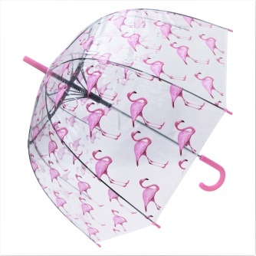 | UMB002 Pink Flamingo | POE Fabric (0..9 mm), Full Fiberglass Windproof Frame, 10 mm chrome plated metal shaft, plastic curved handle, plastic top and tips |  | 23"*8K | BLOOMS OF LONDON |  |  | 250 | 11.99
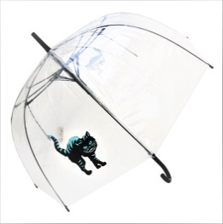 | UMB054 Cheshire Cat | POE Fabric (0..9 mm), Full Fiberglass Windproof Frame, 10 mm chrome plated metal shaft, plastic curved handle, plastic top and tips |  | 23"*8K | BLOOMS OF LONDON |  |  | 500 | 11.99
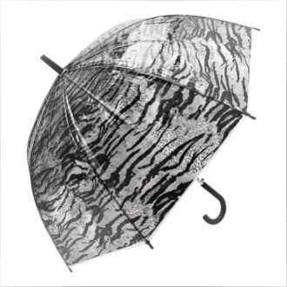 | UMB061 Tiger Skin | POE Fabric (0..9 mm), Full Fiberglass Windproof Frame, 10 mm chrome plated metal shaft, plastic curved handle, plastic top and tips |  | 23"*8K | BLOOMS OF LONDON |  |  | 900 | 11.99
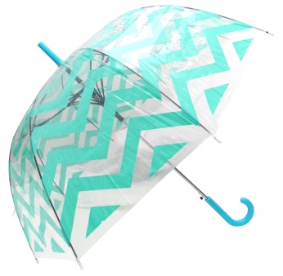 | UMB014 Green Chevron | POE Fabric (0..9 mm), Full Fiberglass Windproof Frame, 10 mm chrome plated metal shaft, plastic curved handle, plastic top and tips |  | 90 cm *8K | BLOOMS OF LONDON |  |  | 75 | 11.99
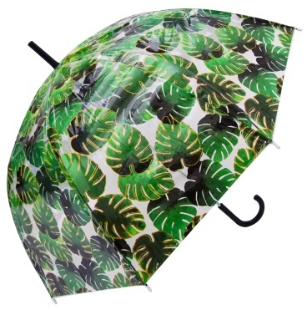 | UMB012 Palm Leag Green & Gold | POE Fabric (0..9 mm), Full Fiberglass Windproof Frame, 10 mm chrome plated metal shaft, plastic curved handle, plastic top and tips |  | 90 cm *8K | BLOOMS OF LONDON |  |  | 50 | 11.99
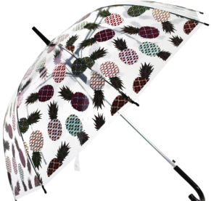 | UMB025 Mixed Pineapple | POE Fabric (0..9 mm), Full Fiberglass Windproof Frame, 10 mm chrome plated metal shaft, plastic curved handle, plastic top and tips |  | 90 cm *8K | BLOOMS OF LONDON |  |  | 50 | 11.99
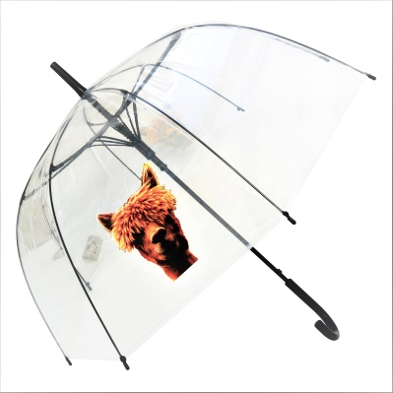 | UMB055 Alpaca | POE Fabric (0..9 mm), Full Fiberglass Windproof Frame, 10 mm chrome plated metal shaft, plastic curved handle, plastic top and tips |  |  |  |  |  | 25 | 11.99

 |  |  |  |  |  |  |  | 1850

